TODO
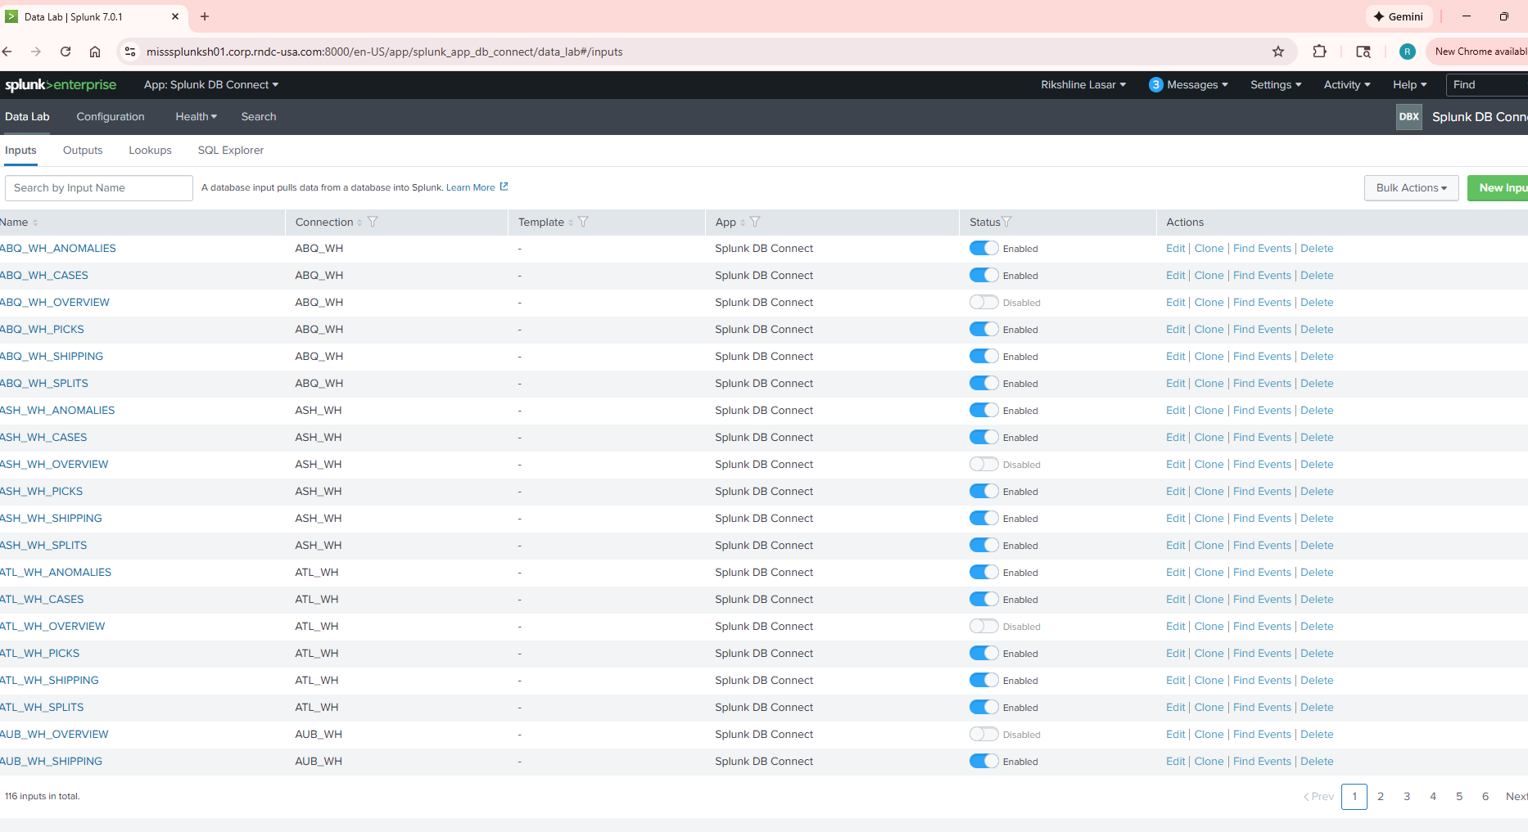
1 | FTP - /splunk/FTP - ALPHA, ASW,ASWGCP, DWH, gaw_testing,roadnet, SOA
 | Time to get this File path sorted out and put in a place
2 | Reports and Dashboards - Peter mentioned this is not required

